CheckSheet AC
 |  |  |  |  |  |  |  |  |  |  | Form No : BORO/PLA/16/F005
PT. SAPTAINDRA SEJATI
PLANT DEPARTEMENT
SITE BORO
AIR CONDITIONER PERIODICAL CHECK SHEET
UNIT MODEL : ALL UNIT

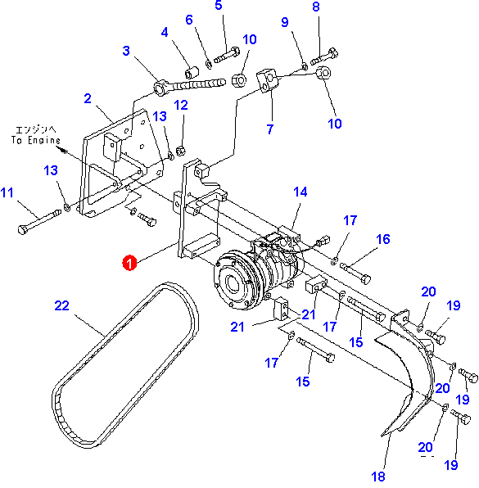
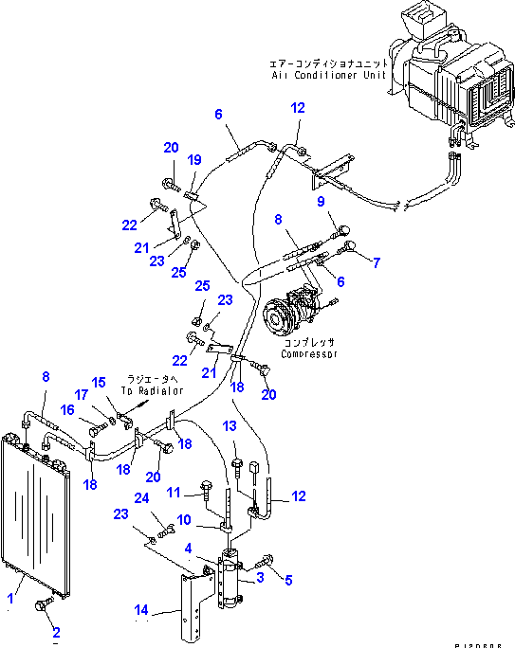

AIR CONDITIONER |  | CODE UNIT
 |  | WO NUMBER
 |  | HOUR METER
 |  | DATE
 |  | TIME
NO | ITEM TO BE CHECK | CHECK POINT | PS I | REMARKS | PS II | REMARKS | PS III | REMARKS | PS IV | REMARKS |  | PROGRESS VIDIO

EVERY 250 HOURS
1 | V BELT COMPRESSOR | CHECK & ADJUST |  |  |  |  |  |  |  |  |  | 1
2 | BRACKET & ADJUSTER COMPRESSOR | CHECK & TIGHTEN |  |  |  |  |  |  |  |  |  | 1
3 | SAFETY COVER V BELT | CHECK & TIGHTEN |  |  |  |  |  |  |  |  |  | 1
4 | COMPRESSOR AC :
 | - PULLEY COMPRESSOR | CHECK CONDITION |  |  |  |  |  |  |  |  |  | 1
 | - MAGNETIC CLUTCH | CHECK FUNCTION |  |  |  |  |  |  |  |  |  | 1
 | - BODY & COVER (FR & RR) | CHECK LEAKING |  |  |  |  |  |  |  |  |  | 1
 | - SEAL SHAFT COMPRESSOR | CHECK LEAKING |  |  |  |  |  |  |  |  |  | 1
 | - SUCTION / DISCHARGE PORT | CHECK LEAKING |  |  |  |  |  |  |  |  |  | 1
 | - SUCTION / DISCHARGE PLUG | CHECK CONDITION |  |  |  |  |  |  |  |  |  | 1
5 | WIRING & CONNECTION | CHECK CONDITION |  |  |  |  |  |  |  |  |  | 1
6 | HOSE, PITTING & CONNECTION | CHECK CONDITION |  |  |  |  |  |  |  |  |  | 1
7 | REFRIGERANT & OIL COMPRESSOR | CHECK & ADD |  |  |  |  |  |  |  |  |  | 1
8 | CONDENSOR :
 | - FIN & CORE | CHECK & CLEAN |  |  |  |  |  |  |  |  |  | 1
 | - MOTOR ( JIKA DILENGKAPI ) | CHECK FUNCTION |  |  |  |  |  |  |  |  |  | 1
9 | RECEIVER DRYER | CHECK LEAKING |  |  |  |  |  |  |  |  |  | 1
10 | SWITCH MODUL ( DIGITAL ) | CHECK FUNCTION |  |  |  |  |  |  |  |  |  | 1
11 | SWITCH BLOWER ( MANUAL ) | CHECK FUNCTION |  |  |  |  |  |  |  |  |  | 1
12 | SWITCH THERMOSTAT ( MANUAL ) | CHECK FUNCTION |  |  |  |  |  |  |  |  |  | 1
13 | AC UNIT ASSY :
 | - MOTOR BLOWER | CHECK CONDITION |  |  |  |  |  |  |  |  |  | 1
 | - EVAPORATOR | CHECK & CLEAN |  |  |  |  |  |  |  |  |  | 1
 | - FILTER BLOWER | CHECK & CLEAN |  |  |  |  |  |  |  |  |  | 1
 | - THERMISTOR / THERMOSTAT | CHECK FUNCTION |  |  |  |  |  |  |  |  |  | 0
 | - EXPANSION VALVE | CHECK FUNCTION |  |  |  |  |  |  |  |  |  | 0
14 | DUCT & GRILE | CHECK CONDITION |  |  |  |  |  |  |  |  |  | 1
15 | FILTER CABIN | CHECK & CLEAN |  |  |  |  |  |  |  |  |  | 1
EVERY 500 HOURS
1 | FILTER BLOWER | REPLACE |  |  |  |  |  |  |  |  |  | 1
2 | FILTER CABIN | REPLACE |  |  |  |  |  |  |  |  |  | 1
EVERY 1000 HOURS
1 | V BELT COMPRESSOR | REPLACE |  |  |  |  |  |  |  |  |  | 0
2 | RECEIVER DRYER | REPLACE |  |  |  |  |  |  |  |  |  | 0
3 | REFRIGERANT & OIL COMPRESSOR | REPLACE |  |  |  |  |  |  |  |  |  | 0
4 | THERMISTOR / THERMOSTAT | REPLACE |  |  |  |  |  |  |  |  |  | 0
EVERY 2000 HOURS
1 | MOTOR CONDENSOR ( JIKA DILENGKAPI ) | REPLACE |  |  |  |  |  |  |  |  |  | 0
2 | CARBON BRUSH MOTOR BLOWER (JIKA DILENGKAPI) | REPLACE |  |  |  |  |  |  |  |  |  | 0
3 | AC UNIT ASSY | REPLACE |  |  |  |  |  |  |  |  |  | 0
EVERY 4000 HOURS
1 | DISCHARGE HOSE | REPLACE |  |  |  |  |  |  |  |  |  | 0
EVERY 8000 HOURS
1 | COMPRESSOR ASSY | REPLACE |  |  |  |  |  |  |  |  |  | 0
X : Bad Condition
X : Good After Repair/Action
V : Good Condition
 |  | SIGN MEKANIK
 |  | NAME MEKANIK
 |  | SIGN G/L
 |  | NAME G/L

 |  |  |  |  |  |  |  |  |  |  | Revisi : 0

ACHIEV
Row Labels | Tot Item | Take Scene
EVERY 250 HOURS | 25 | 84%
EVERY 1000 HOURS | 4 | 0%
EVERY 2000 HOURS | 3 | 0%
EVERY 500 HOURS | 2 | 100%
EVERY 8000 HOURS | 1 | 0%
EVERY 4000 HOURS | 1 | 0%
Grand Total | 36 | 64%

